Proforma Actual
 | Assumptions
 | Items using QoQ GR:
 |  | Q1 | Q2 | Q3 | Q4
 | AdmissionsRevenue | -8.83% | 6.00% | -9.39% | 14.61%
 | FoodAndBeverageRevenue | -5.28% | 9.12% | -10.60% | 8.37%
 | OtherSalesRevenueNet | -6.67% | 4.53% | -11.79% | 43.25%

 | Items using % of Gross Revenue:
 |  | % of Revenue | Method
 | FilmExhibitionCosts | 31.30% | Average
 | FoodAndBeverageCostOfSales | 5.01% | Average
 | OtherCostAndExpenseOperating | 30.63% | Average

 | Point Assumptions:
 |  | Value | Method
 | Rent | $241.2M | Last Known value - Rents tend to be contractual
 | MergerAcquisitionTransactionCosts | $3.9M | Average last 4 quarters
 | Other Expense | $42.1M | Average last 4 quarters
 | Depreciation | $112.5M | Average last 4 quarters

 |  | 1 | 1 | 1 | 1 | 1 | 1 | 1 | 1 | 1 | 1 | 1 | 1 |  | 1 | 2 | 3 | 4 | 5 | 6 | 7 | 8 | 9 | 10 | 11 | 12 | 13 | 14 | 15 | 16 | 17 | 18 | 19 | 20
 |  | 4 | 4 | 4 | 4 | 4 | 4 | 4 | 4 | 4 | 4 | 4 | 4 |  | 0.25 | 0.5 | 0.75 | 1 | 1.25 | 1.5 | 1.75 | 2 | 2.25 | 2.5 | 2.75 | 3 | 3.25 | 3.5 | 3.75 | 4 | 4.25 | 4.5 | 4.75 | 5
 |  | 20170331 | 20170630 | 20170930 | 20171231 | 20180331 | 20180630 | 20180930 | 20181231 | 20190331 | 20190630 | 20190930 | 20191231
 |  | 2017 | 2017 | 2017 | 2017 | 2018 | 2018 | 2018 | 2018 | 2019 | 2019 | 2019 | 2019 |  | FCTSYear 1 | FCTSYear 1 | FCTSYear 1 | FCTSYear 1 | FCSTYear2 | FCSTYear2 | FCSTYear2 | FCSTYear2 | FCSTYear3 | FCSTYear3 | FCSTYear3 | FCSTYear3 | FCSTYear4 | FCSTYear4 | FCSTYear4 | FCSTYear4 | FCSTYear5 | FCSTYear5 | FCSTYear5 | FCSTYear5
 |  | Q1 | Q2 | Q3 | Q4 | Q1 | Q2 | Q3 | Q4 | Q1 | Q2 | Q3 | Q4 |  | Q1 | Q2 | Q3 | Q4 | Q1 | Q2 | Q3 | Q4 | Q1 | Q2 | Q3 | Q4 | Q1 | Q2 | Q3 | Q4 | Q1 | Q2 | Q3 | Q4
 |  | 2017 - Q1 | 2017 - Q2 | 2017 - Q3 | 2017 - Q4 | 2018 - Q1 | 2018 - Q2 | 2018 - Q3 | 2018 - Q4 | 2019 - Q1 | 2019 - Q2 | 2019 - Q3 | 2019 - Q4 |  | FCTSYear 1 - Q1 | FCTSYear 1 - Q2 | FCTSYear 1 - Q3 | FCTSYear 1 - Q4 | FCSTYear2 - Q1 | FCSTYear2 - Q2 | FCSTYear2 - Q3 | FCSTYear2 - Q4 | FCSTYear3 - Q1 | FCSTYear3 - Q2 | FCSTYear3 - Q3 | FCSTYear3 - Q4 | FCSTYear4 - Q1 | FCSTYear4 - Q2 | FCSTYear4 - Q3 | FCSTYear4 - Q4 | FCSTYear5 - Q1 | FCSTYear5 - Q2 | FCSTYear5 - Q3 | FCSTYear5 - Q4
2 | AdmissionsRevenue | $817,300,000 | $761,400,000 | $753,500,000 | $897,300,000 | $875,000,000 | $896,300,000 | $751,400,000 | $862,300,000 | $731,500,000 | $895,500,000 | $797,300,000 | $877,000,000 |  | $799,587,349 | $847,600,910 | $768,011,283 | $880,242,377 | $802,543,522 | $850,734,595 | $770,850,715 | $883,496,741 | $805,510,624 | $853,879,866 | $773,700,645 | $886,763,137 | $808,488,696 | $857,036,764 | $776,561,111 | $890,041,609 | $811,477,778 | $860,205,335 | $779,432,153 | $893,332,203
3 | FoodAndBeverageRevenue | $397,900,000 | $374,100,000 | $361,400,000 | $415,000,000 | $405,800,000 | $445,800,000 | $384,800,000 | $435,100,000 | $398,800,000 | $492,500,000 | $420,000,000 | $408,300,000 |  | $386,742,215 | $422,027,487 | $377,294,132 | $408,882,735 | $387,294,182 | $422,629,814 | $377,832,614 | $409,466,301 | $387,846,937 | $423,233,001 | $378,371,865 | $410,050,701 | $388,400,481 | $423,837,049 | $378,911,886 | $410,635,934 | $388,954,814 | $424,441,958 | $379,452,678 | $411,222,003
4 | OtherSalesRevenueNet | $68,200,000 | $66,800,000 | $63,800,000 | $102,500,000 | $102,800,000 | $100,400,000 | $85,200,000 | $115,900,000 | $100,100,000 | $118,100,000 | $99,500,000 | $132,400,000 |  | $123,569,080 | $129,168,654 | $113,935,440 | $163,214,985 | $152,328,742 | $159,231,571 | $140,452,954 | $201,201,898 | $187,781,974 | $196,291,378 | $173,142,196 | $248,029,946 | $231,486,648 | $241,976,544 | $213,439,584 | $305,756,827 | $285,363,216 | $298,294,547 | $263,115,850 | $376,919,154
 | Gross Revenue | $1,283,400,000 | $1,202,300,000 | $1,178,700,000 | $1,414,800,000 | $1,383,600,000 | $1,442,500,000 | $1,221,400,000 | $1,413,300,000 | $1,230,400,000 | $1,506,100,000 | $1,316,800,000 | $1,417,700,000 |  | $1,309,898,644 | $1,398,797,052 | $1,259,240,854 | $1,452,340,097 | $1,342,166,446 | $1,432,595,980 | $1,289,136,283 | $1,494,164,941 | $1,381,139,535 | $1,473,404,245 | $1,325,214,706 | $1,544,843,784 | $1,428,375,824 | $1,522,850,357 | $1,368,912,582 | $1,606,434,371 | $1,485,795,808 | $1,582,941,840 | $1,422,000,681 | $1,681,473,360

 | FilmExhibitionCosts | $420,700,000 | $379,800,000 | $364,800,000 | $439,000,000 | $426,500,000 | $471,400,000 | $378,800,000 | $433,500,000 | $365,300,000 | $482,500,000 | $416,800,000 | $434,500,000 |  | $409,961,079.92 | $437,783,757.38 | $394,106,630.28 | $454,541,209.96 | $420,059,985.85 | $448,361,862.22 | $403,463,050.61 | $467,631,198.55 | $432,257,456.04 | $461,133,690.18 | $414,754,572.62 | $483,492,237.37 | $447,041,073.15 | $476,608,919.11 | $428,430,766.76 | $502,768,342.24 | $465,011,897.63 | $495,415,846.90 | $445,045,834.37 | $526,253,414.98
 | FoodAndBeverageCostOfSales | $60,600,000 | $62,100,000 | $60,700,000 | $68,700,000 | $66,200,000 | $72,200,000 | $63,600,000 | $68,900,000 | $61,500,000 | $76,400,000 | $67,200,000 | $73,000,000 |  | $65,591,103.20 | $70,042,550.42 | $63,054,494.50 | $72,723,633.71 | $67,206,862.39 | $71,734,978.31 | $64,551,460.83 | $74,817,946.65 | $69,158,378.19 | $73,778,387.62 | $66,358,030.82 | $77,355,609.57 | $71,523,660.66 | $76,254,323.48 | $68,546,132.83 | $80,439,660.83 | $74,398,875.56 | $79,263,309.46 | $71,204,435.45 | $84,197,119.54
 | OtherCostAndExpenseOperating | $360,150,000 | $389,200,000 | $383,200,000 | $415,450,000 | $411,900,000 | $424,500,000 | $400,500,000 | $417,800,000 | $402,800,000 | $437,400,000 | $419,000,000 | $427,400,000 |  | $401,271,224.16 | $428,504,150.38 | $385,752,837.84 | $444,906,398.89 | $411,156,065.79 | $438,858,033.44 | $394,910,932.17 | $457,718,921.84 | $423,094,988.86 | $451,359,139.75 | $405,963,110.24 | $473,243,757.68 | $437,565,240.85 | $466,506,343.61 | $419,349,413.07 | $492,111,271.15 | $455,155,141.67 | $484,914,625.06 | $435,612,294.71 | $515,098,535.91
 | LeaseAndRentalExpense | $186,500,000 | $199,800,000 | $200,700,000 | $207,400,000 | $189,700,000 | $199,700,000 | $203,700,000 | $204,700,000 | $242,000,000 | $245,900,000 | $238,700,000 | $241,200,000 |  | $241,200,000 | $241,200,000 | $241,200,000 | $241,200,000 | $241,200,000 | $241,200,000 | $241,200,000 | $241,200,000 | $241,200,000 | $241,200,000 | $241,200,000 | $241,200,000 | $241,200,000 | $241,200,000 | $241,200,000 | $241,200,000 | $241,200,000 | $241,200,000 | $241,200,000 | $241,200,000
 | Operating Expenses | $1,027,950,000 | $1,030,900,000 | $1,009,400,000 | $1,130,550,000 | $1,094,300,000 | $1,167,800,000 | $1,046,600,000 | $1,124,900,000 | $1,071,600,000 | $1,242,200,000 | $1,141,700,000 | $1,176,100,000 |  | $1,118,023,407 | $1,177,530,458 | $1,084,113,963 | $1,213,371,243 | $1,139,622,914 | $1,200,154,874 | $1,104,125,444 | $1,241,368,067 | $1,165,710,823 | $1,227,471,218 | $1,128,275,714 | $1,275,291,605 | $1,197,329,975 | $1,260,569,586 | $1,157,526,313 | $1,316,519,274 | $1,235,765,915 | $1,300,793,781 | $1,193,062,565 | $1,366,749,070

 | MergerAcquisitionTransactionCosts | $40,300,000 | $11,500,000 | $5,600,000 | $5,600,000 | $4,700,000 | $4,300,000 | $18,100,000 | $4,200,000 | $3,300,000 | $3,200,000 | $4,700,000 | $4,300,000 |  | $3,875,000 | $3,875,000 | $3,875,000 | $3,875,000 | $3,875,000 | $3,875,000 | $3,875,000 | $3,875,000 | $3,875,000 | $3,875,000 | $3,875,000 | $3,875,000 | $3,875,000 | $3,875,000 | $3,875,000 | $3,875,000 | $3,875,000 | $3,875,000 | $3,875,000 | $3,875,000
 | OtherGeneralAndAdministrativeExpense | $34,450,000 | $46,150,000 | $32,700,000 | $20,000,000 | $44,200,000 | $43,000,000 | $48,400,000 | $43,700,000 | $46,200,000 | $43,200,000 | $37,500,000 | $26,100,000 |  | $42,125,000 | $42,125,000 | $42,125,000 | $42,125,000 | $42,125,000 | $42,125,000 | $42,125,000 | $42,125,000 | $42,125,000 | $42,125,000 | $42,125,000 | $42,125,000 | $42,125,000 | $42,125,000 | $42,125,000 | $42,125,000 | $42,125,000 | $42,125,000 | $42,125,000 | $42,125,000
 | Other Expense | $74,750,000 | $57,650,000 | $38,300,000 | $25,600,000 | $48,900,000 | $47,300,000 | $66,500,000 | $47,900,000 | $49,500,000 | $46,400,000 | $42,200,000 | $30,400,000 |  | $46,000,000 | $46,000,000 | $46,000,000 | $46,000,000 | $46,000,000 | $46,000,000 | $46,000,000 | $46,000,000 | $46,000,000 | $46,000,000 | $46,000,000 | $46,000,000 | $46,000,000 | $46,000,000 | $46,000,000 | $46,000,000 | $46,000,000 | $46,000,000 | $46,000,000 | $46,000,000

 | Total Expense | $1,102,700,000 | $1,088,550,000 | $1,047,700,000 | $1,156,150,000 | $1,143,200,000 | $1,215,100,000 | $1,113,100,000 | $1,172,800,000 | $1,121,100,000 | $1,288,600,000 | $1,183,900,000 | $1,206,500,000 |  | $1,164,023,407 | $1,223,530,458 | $1,130,113,963 | $1,259,371,243 | $1,185,622,914 | $1,246,154,874 | $1,150,125,444 | $1,287,368,067 | $1,211,710,823 | $1,273,471,218 | $1,174,275,714 | $1,321,291,605 | $1,243,329,975 | $1,306,569,586 | $1,203,526,313 | $1,362,519,274 | $1,281,765,915 | $1,346,793,781 | $1,239,062,565 | $1,412,749,070
 | EBITDA | $180,700,000 | $113,750,000 | $131,000,000 | $258,650,000 | $240,400,000 | $227,400,000 | $108,300,000 | $240,500,000 | $109,300,000 | $217,500,000 | $132,900,000 | $211,200,000 |  | $145,875,237 | $175,266,594 | $129,126,892 | $192,968,854 | $156,543,532 | $186,441,107 | $139,010,840 | $206,796,874 | $169,428,712 | $199,933,027 | $150,938,993 | $223,552,179 | $185,045,850 | $216,280,770 | $165,386,269 | $243,915,097 | $204,029,893 | $236,148,058 | $182,938,117 | $268,724,290
 | Depreciaiton | $125,300,000 | $133,300,000 | $135,200,000 | $144,800,000 | $130,500,000 | $137,700,000 | $130,200,000 | $139,400,000 | $113,000,000 | $112,000,000 | $112,100,000 | $112,900,000 |  | $112,500,000 | $112,500,000 | $112,500,000 | $112,500,000 | $112,500,000 | $112,500,000 | $112,500,000 | $112,500,000 | $112,500,000 | $112,500,000 | $112,500,000 | $112,500,000 | $112,500,000 | $112,500,000 | $112,500,000 | $112,500,000 | $112,500,000 | $112,500,000 | $112,500,000 | $112,500,000
 | Pretax Income | $55,400,000 | ($19,550,000) | ($4,200,000) | $113,850,000 | $109,900,000 | $89,700,000 | ($21,900,000) | $101,100,000 | ($3,700,000) | $105,500,000 | $20,800,000 | $98,300,000 |  | $33,375,237 | $62,766,594 | $16,626,892 | $80,468,854 | $44,043,532 | $73,941,107 | $26,510,840 | $94,296,874 | $56,928,712 | $87,433,027 | $38,438,993 | $111,052,179 | $72,545,850 | $103,780,770 | $52,886,269 | $131,415,097 | $91,529,893 | $123,648,058 | $70,438,117 | $156,224,290
 | Taxes (JB Rate) |  |  |  |  |  |  |  |  |  |  |  |  |  | $2,336,267 | $4,393,662 | $1,163,882 | $5,632,820 | $3,083,047 | $5,175,877 | $1,855,759 | $6,600,781 | $3,985,010 | $6,120,312 | $2,690,729 | $7,773,653 | $5,078,209 | $7,264,654 | $3,702,039 | $9,199,057 | $6,407,093 | $8,655,364 | $4,930,668 | $10,935,700
 | After-Tax Earnings |  |  |  |  |  |  |  |  |  |  |  |  |  | $31,038,970 | $58,372,932 | $15,463,009 | $74,836,034 | $40,960,485 | $68,765,229 | $24,655,081 | $87,696,093 | $52,943,702 | $81,312,715 | $35,748,263 | $103,278,527 | $67,467,640 | $96,516,117 | $49,184,230 | $122,216,040 | $85,122,801 | $114,992,694 | $65,507,448 | $145,288,589 | Terminal
 | Free Cash Flow (add Depreciation) |  |  |  |  |  |  |  |  |  |  |  |  |  | $143,538,970 | $170,872,932 | $127,963,009 | $187,336,034 | $153,460,485 | $181,265,229 | $137,155,081 | $200,196,093 | $165,443,702 | $193,812,715 | $148,248,263 | $215,778,527 | $179,967,640 | $209,016,117 | $161,684,230 | $234,716,040 | $197,622,801 | $227,492,694 | $178,007,448 | $257,788,589 | $6,378,569,590

 |  |  |  |  |  |  |  |  |  |  |  |  | Discounted CFs | -> | $141,200,397.36 | $165,350,479.78 | $121,809,938.86 | $175,422,661.84 | $141,360,161.97 | $164,252,150.81 | $122,257,230.88 | $175,543,335.05 | $142,706,936.09 | $164,453,530.43 | $123,741,860.87 | $177,174,553.02 | $145,362,919.66 | $166,075,314.40 | $126,374,388.14 | $180,468,025.07 | $149,472,273.20 | $169,261,091.32 | $130,284,860.23 | $185,603,242.90

 | WACC | 6.79%

 | NPV of Cashflows | $3,068.2M
 | LT Growth Rate (FY18-FY19 growth) | 2.64%
 | Terminal Value | $6,378.6M
 | Terminal Value (discounted) | $4,592.5M
 | Enterprise Value | $7,660.6M
 | Plus Cash | $265.0M
 | Less Debt | $4,753.4M
 | Equity Value | $2,907.2M
 | Shares Outstanding | 450.16M
 | Implied Stock Price | $6.46
 | Current Stock Price (2019) | $7.24
 | Implied Over/Under | ($0.78)

 | Today's Stock Price (3/26/2021) | 11.31
 | Implied Over/Under | ($4.85)

WACC
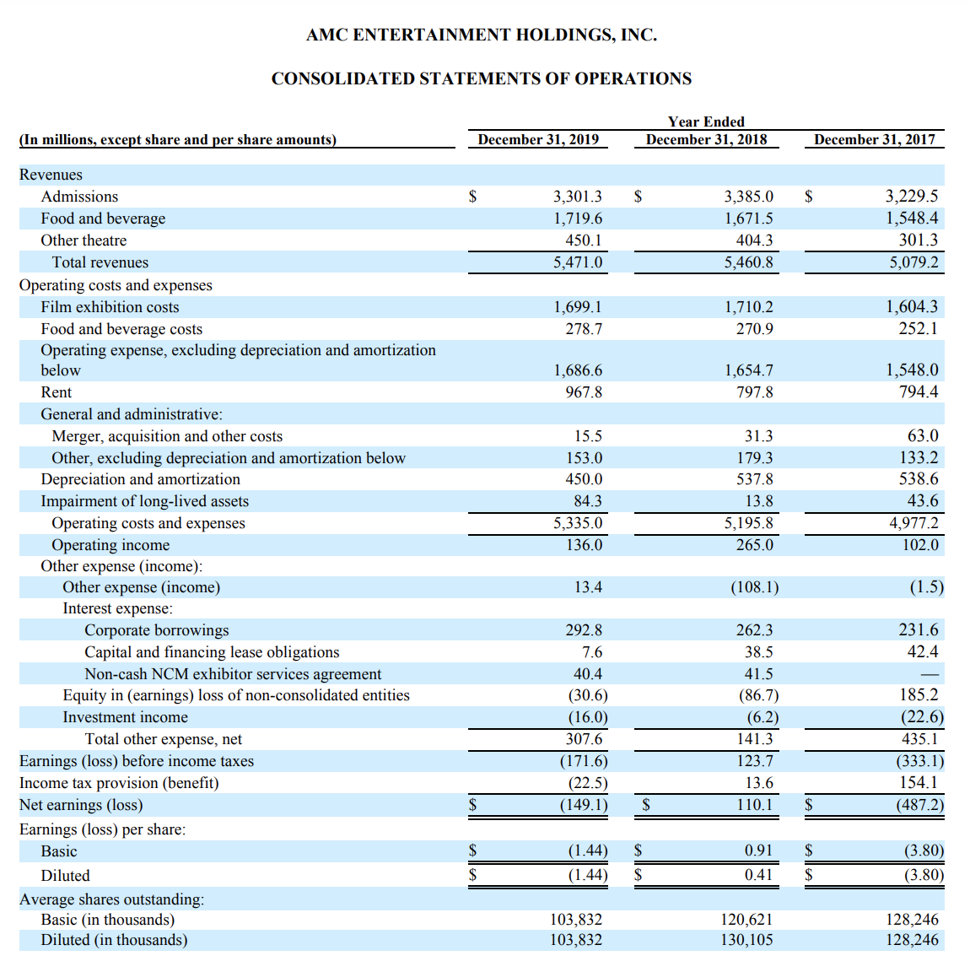
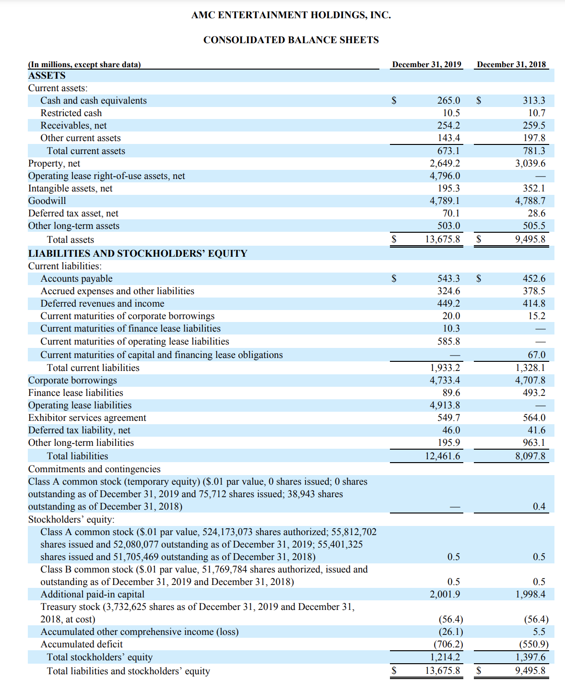
 |  |  |  |  |  |  |  | Covariance | 0.00024895987471
 |  |  |  | Start Date | 2015-01-01 |  |  | SPDR Variance | 0.00031402520407
Share Price on 12/31/2019 | $7.24 |  |  | End Date | 2019-12-31
Shares Outstanidng | 450.16M |  |  |  |  |  |  | AMC | SPDR
Market Value in this Scenario | $3,259.2M |  | =STOCKHISTORY(G4,$G$2,$G$3,1,0,0,1) | 42002 | 23.7693 | 42002 | 205.43
 |  |  |  | 42009 | 24.9193 | 42009 | 204.25 | 0.048381736105 | -0.0057440490678
 | 2018 | 2019 |  | 42016 | 25.0955 | 42016 | 201.63 | 0.0070708246219 | -0.012827417381
Cash | $313.3M | $265.0M |  | 42024 | 26.2454 | 42024 | 204.97 | 0.045820963918 | 0.016564995288
 |  |  |  | 42030 | 26.0785 | 42030 | 199.45 | -0.0063592096139 | -0.026930770357
ST Debt | $15.2M | $20.0M |  | 42037 | 27.2841 | 42037 | 205.55 | 0.046229652779 | 0.030584106292
LT Debt | $4,707.8M | $4,733.4M |  | 42044 | 28.397 | 42044 | 209.78 | 0.040789324185 | 0.020578934566
 |  |  |  | 42052 | 30.2425 | 42052 | 211.239 | 0.064989259429 | 0.0069549051387
Net Debt | $4,409.7M | $4,488.4M |  | 42058 | 31.884 | 42058 | 210.66 | 0.054277920145 | -0.0027409711275
Net Interest | $256.1M | $276.8M |  | 42065 | 31.4945 | 42065 | 207.5 | -0.012216158575 | -0.015000474699
Interest Rate | 5.81% | 6.17% |  | 42072 | 32.3663 | 42072 | 205.8272 | 0.027681023671 | -0.008061686747
 |  |  |  | 42079 | 33.0897 | 42079 | 210.41 | 0.022350407677 | 0.022265278836
Implied Cost of Debt (avg of 18/19) | 5.99% |  |  | 42086 | 32.4127 | 42086 | 205.74 | -0.020459538769 | -0.022194762606
 |  |  |  | 42093 | 32.626 | 42093 | 206.435 | 0.0065807538403 | 0.003378049966
CAPM |  |  |  | 42100 | 31.6244 | 42100 | 210.04 | -0.030699442163 | 0.017463123986
Tax Rate (Joe Biden Rate) | 28.00% |  |  | 42107 | 30.4188 | 42107 | 207.95 | -0.038122462402 | -0.0099504856218
Beta | 79.28% |  |  | 42114 | 30.4837 | 42114 | 211.6499 | 0.0021335489894 | 0.017792257754
Risk Free Rate (5yr Treasury CURRENT) | 0.82% |  |  | 42121 | 28.5176 | 42121 | 210.72 | -0.064496763844 | -0.0043935763731
Expected market Return | 9.81% |  |  | 42128 | 27.5067 | 42128 | 211.62 | -0.035448284568 | 0.004271070615
Implied Cost of Equity (CAPM) | 7.90% |  |  | 42135 | 26.9966 | 42135 | 212.44 | -0.018544572777 | 0.0038748700501
 |  |  |  | 42142 | 27.4511 | 42142 | 212.99 | 0.016835453353 | 0.0025889662964
Debt + Equity (for denominator) | $7,747.6M |  |  | 42150 | 26.8112 | 42150 | 211.14 | -0.02331054129 | -0.008685853796
Equity Weight | 42.07% |  |  | 42156 | 26.737 | 42156 | 209.77 | -0.0027675001492 | -0.0064885857725
Debt Weight | 57.93% |  |  | 42163 | 26.4031 | 42163 | 210.01 | -0.012488312077 | 0.001144110216
 |  |  |  | 42170 | 27.9148 | 42170 | 210.81 | 0.057254640554 | 0.0038093424123
WACC | 6.79% |  |  | 42177 | 29.343 | 42177 | 209.82 | 0.051162824022 | -0.0046961719084
 |  |  |  | 42184 | 28.5454 | 42184 | 207.31 | -0.027181951402 | -0.011962634639
 |  |  |  | 42191 | 29.074 | 42191 | 207.48 | 0.018517869779 | 0.00082002797743
 |  |  |  | 42198 | 30.4373 | 42198 | 212.48 | 0.046890692715 | 0.024098708309
 |  |  |  | 42205 | 28.7958 | 42205 | 208 | -0.053930539174 | -0.021084337349
 |  |  |  | 42212 | 29.9087 | 42212 | 210.5 | 0.038647997277 | 0.012019230769
 |  |  |  | 42219 | 27.4418 | 42219 | 207.95 | -0.082481017229 | -0.012114014252
 |  |  |  | 42226 | 27.3212 | 42226 | 209.42 | -0.0043947554461 | 0.0070690069728
 |  |  |  | 42233 | 27.145 | 42233 | 197.83 | -0.0064492042809 | -0.055343329195
 |  |  |  | 42240 | 26.9039 | 42240 | 199.28 | -0.0088819303739 | 0.00732952535
 |  |  |  | 42247 | 25.6983 | 42247 | 192.59 | -0.044811347054 | -0.033570855078
 |  |  |  | 42255 | 24.9749 | 42255 | 196.74 | -0.028149721966 | 0.021548366997
 |  |  |  | 42261 | 25.958 | 42261 | 195.45 | 0.039363520975 | -0.0065568770967
 |  |  |  | 42268 | 23.6395 | 42268 | 192.85 | -0.08931735881 | -0.013302634945
 |  |  |  | 42275 | 23.3798 | 42275 | 195 | -0.010985849955 | 0.011148561058
Used for Net Interest |  |  |  | 42282 | 25.2346 | 42282 | 201.33 | 0.079333441689 | 0.032461538462
Interest Income | ($6,200,000) | ($16,000,000) |  | 42289 | 24.8729 | 42289 | 203.27 | -0.014333494488 | 0.0096359211245
Corporate Interest Paid | $262,300,000 | $292,800,000 |  | 42296 | 24.7431 | 42296 | 207.51 | -0.0052185310117 | 0.020858956068
 |  |  |  | 42303 | 25.383 | 42303 | 207.93 | 0.025861755398 | 0.0020239988434
 |  |  |  | 42310 | 25.114 | 42310 | 210.04 | -0.010597644093 | 0.010147645842
 |  |  |  | 42317 | 24.3536 | 42317 | 202.54 | -0.030277932627 | -0.035707484289
 |  |  |  | 42324 | 23.6951 | 42324 | 209.3108 | -0.027039123579 | 0.033429446035
 |  |  |  | 42331 | 23.2314 | 42331 | 209.56 | -0.019569446848 | 0.0011905740172
 |  |  |  | 42338 | 22.0165 | 42338 | 209.62 | -0.052295599921 | 0.0002863141821
 |  |  |  | 42345 | 21.4044 | 42345 | 201.88 | -0.027801875866 | -0.036923957638
 |  |  |  | 42352 | 22.981 | 42352 | 200.0208 | 0.073657752612 | -0.0092094313454
 |  |  |  | 42359 | 21.5621 | 42359 | 205.68 | -0.061742308864 | 0.028293057522
 |  |  |  | 42366 | 22.2576 | 42366 | 203.87 | 0.03225567083 | -0.0088000777907
 |  |  |  | 42373 | 20.7552 | 42373 | 191.923 | -0.067500539142 | -0.058601069309
 |  |  |  | 42380 | 19.4291 | 42380 | 187.81 | -0.06389242214 | -0.021430469511
 |  |  |  | 42388 | 18.7335 | 42388 | 190.52 | -0.035801967152 | 0.014429476599
 |  |  |  | 42394 | 20.2173 | 42394 | 193.7208 | 0.079205701017 | 0.016800335923
 |  |  |  | 42401 | 18.7984 | 42401 | 187.95 | -0.070182467491 | -0.029789263724
 |  |  |  | 42408 | 18.9746 | 42408 | 186.63 | 0.0093731381394 | -0.0070231444533
 |  |  |  | 42416 | 20.2823 | 42416 | 192 | 0.068918448874 | 0.028773509082
 |  |  |  | 42422 | 21.6084 | 42422 | 195.0892 | 0.065382131218 | 0.016089583333
 |  |  |  | 42429 | 25.0584 | 42429 | 200.43 | 0.15966013217 | 0.027376195094
 |  |  |  | 42436 | 27.3954 | 42436 | 202.76 | 0.093262139642 | 0.011625006237
 |  |  |  | 42443 | 27.2749 | 42443 | 204.38 | -0.0043985486615 | 0.0079897415664
 |  |  |  | 42450 | 26.0229 | 42450 | 203.12 | -0.045903009727 | -0.0061649867893
 |  |  |  | 42457 | 26.5608 | 42457 | 206.92 | 0.020670255813 | 0.018708152816
 |  |  |  | 42464 | 25.3737 | 42464 | 204.4992 | -0.044693683925 | -0.011699207423
 |  |  |  | 42471 | 25.5684 | 42471 | 207.78 | 0.0076732995188 | 0.016043094545
 |  |  |  | 42478 | 25.4664 | 42478 | 208.97 | -0.0039892992913 | 0.0057272114737
 |  |  |  | 42485 | 26.1342 | 42485 | 206.3308 | 0.026222787673 | -0.012629564052
 |  |  |  | 42492 | 27.0337 | 42492 | 205.72 | 0.034418501427 | -0.0029602948275
 |  |  |  | 42499 | 27.1821 | 42499 | 204.76 | 0.0054894446561 | -0.0046665370406
 |  |  |  | 42506 | 26.1805 | 42506 | 205.49 | -0.036847778501 | 0.0035651494433
 |  |  |  | 42513 | 27.0059 | 42513 | 210.24 | 0.031527281756 | 0.023115480072
 |  |  |  | 42521 | 26.5051 | 42521 | 210.28 | -0.01854409592 | 0.0001902587519
 |  |  |  | 42527 | 24.9842 | 42527 | 210.07 | -0.057381409616 | -0.00099866844208
 |  |  |  | 42534 | 25.0862 | 42534 | 206.52 | 0.0040825801907 | -0.016899128862
 |  |  |  | 42541 | 24.9842 | 42541 | 203.13 | -0.0040659804992 | -0.016414875073
 |  |  |  | 42548 | 26.1434 | 42548 | 209.9208 | 0.046397323108 | 0.033430807857
 |  |  |  | 42556 | 25.587 | 42556 | 212.65 | -0.021282618175 | 0.013001093746
 |  |  |  | 42562 | 28.4063 | 42562 | 215.83 | 0.1101848595 | 0.014954150012
 |  |  |  | 42569 | 28.3785 | 42569 | 217.24 | -0.00097865614318 | 0.0065329194273
 |  |  |  | 42576 | 27.2841 | 42576 | 217.12 | -0.038564406153 | -0.00055238445958
 |  |  |  | 42583 | 26.9225 | 42583 | 218.18 | -0.013253140107 | 0.0048820928519
 |  |  |  | 42590 | 27.6365 | 42590 | 218.46 | 0.026520568298 | 0.0012833440279
 |  |  |  | 42597 | 27.7386 | 42597 | 218.54 | 0.0036943896658 | 0.00036619976197
 |  |  |  | 42604 | 27.4789 | 42604 | 217.29 | -0.0093624047356 | -0.0057197766999
 |  |  |  | 42611 | 28.2857 | 42611 | 218.37 | 0.02936070949 | 0.0049703161673
 |  |  |  | 42619 | 28.1003 | 42619 | 213.28 | -0.0065545487649 | -0.0233090626
 |  |  |  | 42625 | 29.5934 | 42625 | 213.37 | 0.053134664043 | 0.00042198049512
 |  |  |  | 42632 | 29.0555 | 42632 | 215.99 | -0.018176350132 | 0.012279139523
 |  |  |  | 42639 | 28.8329 | 42639 | 216.3 | -0.007661200117 | 0.001435251632
 |  |  |  | 42646 | 29.8994 | 42646 | 215.04 | 0.03698899521 | -0.0058252427184
 |  |  |  | 42653 | 29.445 | 42653 | 213.12 | -0.015197629384 | -0.0089285714286
 |  |  |  | 42660 | 29.4914 | 42660 | 213.98 | 0.0015758193242 | 0.0040352852853
 |  |  |  | 42667 | 29.074 | 42667 | 212.54 | -0.014153278583 | -0.0067296008973
 |  |  |  | 42674 | 29.0277 | 42674 | 208.55 | -0.0015924881337 | -0.018772936859
 |  |  |  | 42681 | 31.9953 | 42681 | 216.42 | 0.10223338397 | 0.037736753776
 |  |  |  | 42688 | 32.5054 | 42688 | 218.5 | 0.015942966623 | 0.0096109416875
 |  |  |  | 42695 | 32.4127 | 42695 | 221.52 | -0.0028518338491 | 0.013821510297
 |  |  |  | 42702 | 29.9087 | 42702 | 219.68 | -0.077253669087 | -0.0083062477429
 |  |  |  | 42709 | 30.2333 | 42709 | 226.51 | 0.010853029386 | 0.031090677349
 |  |  |  | 42716 | 29.5841 | 42716 | 225.04 | -0.021473011547 | -0.0064897797007
 |  |  |  | 42723 | 32.7373 | 42723 | 225.71 | 0.10658428007 | 0.0029772484892
 |  |  |  | 42731 | 31.207 | 42731 | 223.53 | -0.046744844566 | -0.0096584112357
 |  |  |  | 42738 | 31.3462 | 42738 | 227.21 | 0.0044605376999 | 0.016463114571
 |  |  |  | 42744 | 31.7635 | 42744 | 227.05 | 0.013312618435 | -0.00070419435764
 |  |  |  | 42752 | 31.8099 | 42752 | 226.74 | 0.0014607961969 | -0.0013653380313
 |  |  |  | 42758 | 31.5316 | 42758 | 228.97 | -0.0087488486289 | 0.0098350533651
 |  |  |  | 42765 | 30.5115 | 42765 | 229.34 | -0.032351672608 | 0.0016159322182
 |  |  |  | 42772 | 29.074 | 42772 | 231.51 | -0.047113383478 | 0.0094619342461
 |  |  |  | 42779 | 28.9349 | 42779 | 235.09 | -0.0047843433996 | 0.015463694873
 |  |  |  | 42787 | 29.1204 | 42787 | 236.74 | 0.0064109431863 | 0.0070185886256
 |  |  |  | 42793 | 27.2656 | 42793 | 238.42 | -0.063694180025 | 0.0070963926671
 |  |  |  | 42800 | 27.9611 | 42800 | 237.69 | 0.025508332844 | -0.0030618236725
 |  |  |  | 42807 | 28.3785 | 42807 | 237.03 | 0.01492788195 | -0.0027767259876
 |  |  |  | 42814 | 28.6103 | 42814 | 233.86 | 0.0081681554698 | -0.013373834536
 |  |  |  | 42821 | 29.1668 | 42821 | 235.74 | 0.019451036864 | 0.0080389976909
 |  |  |  | 42828 | 28.1466 | 42828 | 235.2 | -0.034978125814 | -0.0022906592008
 |  |  |  | 42835 | 28.0075 | 42835 | 232.51 | -0.0049419823353 | -0.01143707483
 |  |  |  | 42842 | 28.6567 | 42842 | 234.59 | 0.02317950549 | 0.0089458517913
 |  |  |  | 42849 | 28.1003 | 42849 | 238.08 | -0.01941605279 | 0.014877019481
 |  |  |  | 42856 | 26.9874 | 42856 | 239.7 | -0.039604559382 | 0.0068044354839
 |  |  |  | 42863 | 24.9471 | 42863 | 238.98 | -0.075601947576 | -0.0030037546934
 |  |  |  | 42870 | 23.4632 | 42870 | 238.31 | -0.059481863623 | -0.0028035818897
 |  |  |  | 42877 | 22.9068 | 42877 | 241.71 | -0.023713730437 | 0.014267131048
 |  |  |  | 42885 | 22.9995 | 42885 | 244.17 | 0.0040468332548 | 0.010177485416
 |  |  |  | 42891 | 21.6084 | 42891 | 243.41 | -0.060483923564 | -0.0031125854937
 |  |  |  | 42898 | 22.8604 | 42898 | 242.64 | 0.057940430573 | -0.0031633868781
 |  |  |  | 42905 | 21.8867 | 42905 | 243.13 | -0.042593305454 | 0.0020194526871
 |  |  |  | 42912 | 21.0984 | 42912 | 241.8 | -0.036017307314 | -0.0054703245177
 |  |  |  | 42919 | 20.3565 | 42919 | 242.11 | -0.03516380389 | 0.0012820512821
 |  |  |  | 42926 | 20.3101 | 42926 | 245.56 | -0.0022793702257 | 0.014249721201
 |  |  |  | 42933 | 18.8726 | 42933 | 246.88 | -0.070777593414 | 0.0053754683173
 |  |  |  | 42940 | 19.0117 | 42940 | 246.91 | 0.0073704735966 | 0.00012151652625
 |  |  |  | 42947 | 15.0703 | 42947 | 247.41 | -0.20731444321 | 0.0020250293629
 |  |  |  | 42954 | 13.03 | 42954 | 244.12 | -0.13538549332 | -0.013297764844
 |  |  |  | 42961 | 12.0562 | 42961 | 242.71 | -0.074735226401 | -0.0057758479436
 |  |  |  | 42968 | 11.9635 | 42968 | 244.56 | -0.0076889898973 | 0.0076222652548
 |  |  |  | 42975 | 13.1227 | 42975 | 247.84 | 0.096894721444 | 0.013411841675
 |  |  |  | 42983 | 12.3808 | 42983 | 246.58 | -0.05653562148 | -0.005083925113
 |  |  |  | 42989 | 15.7194 | 42989 | 249.19 | 0.26965947273 | 0.010584800065
 |  |  |  | 42996 | 14.7457 | 42996 | 249.44 | -0.061942567782 | 0.0010032505317
 |  |  |  | 43003 | 13.6328 | 43003 | 251.23 | -0.075472849712 | 0.0071760744067
 |  |  |  | 43010 | 14.0965 | 43010 | 254.37 | 0.034013555543 | 0.012498507344
 |  |  |  | 43017 | 12.7518 | 43017 | 254.95 | -0.095392473309 | 0.0022801430986
 |  |  |  | 43024 | 12.9836 | 43024 | 257.11 | 0.018177825876 | 0.0084722494607
 |  |  |  | 43031 | 13.6792 | 43031 | 257.71 | 0.053575279583 | 0.0023336315196
 |  |  |  | 43038 | 11.0361 | 43038 | 258.45 | -0.19322036376 | 0.0028714446471
 |  |  |  | 43045 | 10.2014 | 43045 | 258.09 | -0.07563360245 | -0.0013929193268
 |  |  |  | 43052 | 12.0098 | 43052 | 257.86 | 0.1772697865 | -0.00089116199775
 |  |  |  | 43059 | 12.8445 | 43059 | 260.36 | 0.069501573715 | 0.0096951834329
 |  |  |  | 43066 | 12.9836 | 43066 | 264.46 | 0.010829537935 | 0.01574742664
 |  |  |  | 43073 | 13.5864 | 43073 | 265.51 | 0.046427801226 | 0.003970354685
 |  |  |  | 43080 | 14.0038 | 43080 | 266.51 | 0.030721898369 | 0.0037663364845
 |  |  |  | 43087 | 13.8183 | 43087 | 267.51 | -0.013246404547 | 0.0037522044201
 |  |  |  | 43095 | 14.0038 | 43095 | 266.86 | 0.013424227293 | -0.0024298157078
 |  |  |  | 43102 | 13.0764 | 43102 | 273.42 | -0.066224881818 | 0.024582177921
 |  |  |  | 43108 | 13.4009 | 43108 | 277.92 | 0.02481569851 | 0.016458196182
 |  |  |  | 43116 | 12.2417 | 43116 | 280.41 | -0.086501652874 | 0.0089594127807
 |  |  |  | 43122 | 11.9171 | 43122 | 286.58 | -0.026515925076 | 0.022003494882
 |  |  |  | 43129 | 12.9372 | 43129 | 275.45 | 0.085599684487 | -0.038837322912
 |  |  |  | 43136 | 12.4735 | 43136 | 261.5 | -0.035842377021 | -0.050644400073
 |  |  |  | 43143 | 13.3546 | 43143 | 273.11 | 0.070637752034 | 0.044397705545
 |  |  |  | 43151 | 13.7719 | 43151 | 274.71 | 0.031247659982 | 0.0058584453151
 |  |  |  | 43157 | 14.6066 | 43157 | 269.08 | 0.060608921064 | -0.020494339485
 |  |  |  | 43164 | 14.5602 | 43164 | 278.87 | -0.0031766461736 | 0.036383231753
 |  |  |  | 43171 | 13.1691 | 43171 | 274.2 | -0.095541270037 | -0.016746154122
 |  |  |  | 43178 | 12.8909 | 43178 | 258.05 | -0.021125209771 | -0.05889861415
 |  |  |  | 43185 | 13.03 | 43185 | 263.15 | 0.01079055768 | 0.019763611703
 |  |  |  | 43192 | 15.2557 | 43192 | 259.72 | 0.17081350729 | -0.013034391032
 |  |  |  | 43199 | 15.7194 | 43199 | 265.15 | 0.030395196549 | 0.020907130756
 |  |  |  | 43206 | 15.7658 | 43206 | 266.61 | 0.0029517666069 | 0.005506317179
 |  |  |  | 43213 | 15.9513 | 43213 | 266.56 | 0.011765974451 | -0.00018753985222
 |  |  |  | 43220 | 15.1166 | 43220 | 266.02 | -0.052328023421 | -0.0020258103241
 |  |  |  | 43227 | 15.1166 | 43227 | 272.85 | 0 | 0.025674761296
 |  |  |  | 43234 | 14.9312 | 43234 | 271.33 | -0.012264662689 | -0.0055708264614
 |  |  |  | 43241 | 13.9574 | 43241 | 272.15 | -0.065219138448 | 0.0030221501493
 |  |  |  | 43249 | 13.7255 | 43249 | 273.6 | -0.016614842306 | 0.0053279441484
 |  |  |  | 43255 | 13.4009 | 43255 | 278.19 | -0.023649411679 | 0.016776315789
 |  |  |  | 43262 | 14.4675 | 43262 | 277.13 | 0.079591669216 | -0.0038103454474
...

